K-Means Charts
K-Means Charts

Cluster | Cluster Name | Cluster Size | Cluster Population Percent | Mean PhoneCo Tenure | Mean EBilling | Mean OwnsPC | Mean Owns Mobile Device | Mean Age | Mean Voice Last Month | Mean DataLast Month | Mean Voice Over Tenure | Mean Equipment Over Tenure | Mean DataOver Tenure | Mean Monthly Over Tenure | Mean HHIncome | Mean Active Lifestyle | Mean Education Years | Mean Total Over Tenure
1 | CL1- Low Tenure/Low Tech | 1482 | 32% | 26 | 0.0263 | 0.3293 | 0.1916 | 40 | $23 | $2 | $242 | $55 | $64 | $12 | $35,992 | 0.5121 | 13 | $362
2 | CL2 - Low Tenure/High Tech | 1477 | 32% | 22 | 0.6872 | 0.977 | 0.851 | 37 | $22 | $13 | $201 | $390 | $232 | $37 | $41,920 | 0.5376 | 16 | $822
3 | CL3 - High Tenure/Low Tech | 1100 | 24% | 62 | 0.0864 | 0.3809 | 0.1845 | 63 | $71 | $2 | $1,555 | $85 | $142 | $27 | $49,910 | 0.3591 | 13 | $1,781
4 | CL4 - High Tenure/High Tech | 595 | 13% | 57 | 0.7563 | 0.9714 | 0.8034 | 53 | $61 | $36 | $1,255 | $2,212 | $1,943 | $95 | $56,171 | 0.4218 | 17 | $1,489

Avg Spend Categories Over Tenure by Avg Age and Phone Co Tenure
Cluster Population Percent

Avg Spend Categories Over Tenure by Avg Age and Phone Co Tenure - CL4 Removed

Avg Spend Categories Over Tenure by Avg Tech Adoption

Avg Spend Categories Over Tenure by Avg Tech Adoption - CL4 Removed

Avg Spend Categories Over Tenure by Avg Household Income

Avg Spend Categories Over Tenure by Avg Education Years

Avg Total Over Tenure by Avg Household Income

Decision Trees
Decision Trees

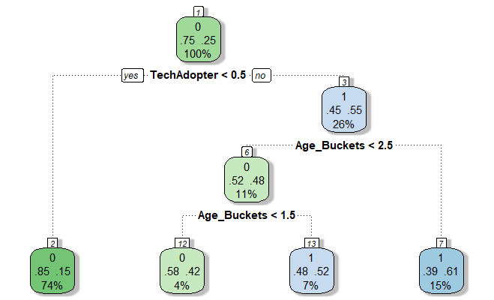
Decision Tree 1
 | fit <- rpart(AvgTotal_HighLow ~ TechAdopter + Age_Buckets,
 | data=customer_data,
 | method="class",
 | control=rpart.control(minsplit=2, cp=0)
 | )
 | fancyRpartPlot(fit)

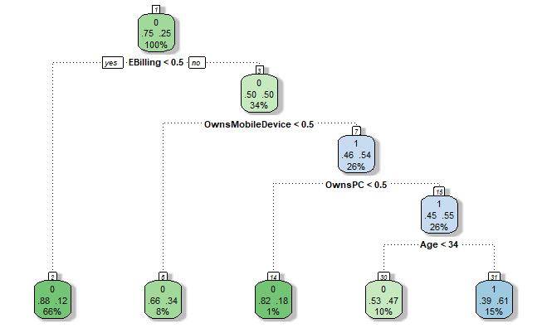
Decision Tree 2
 | fit <- rpart(MonthlyTotal_HighLow ~ Age + EBilling + OwnsPC + OwnsMobileDevice,
 | data=customer_data,
 | method="class"
 | #,control=rpart.control(minsplit=3, cp=0)
 | )
 | fancyRpartPlot(fit)

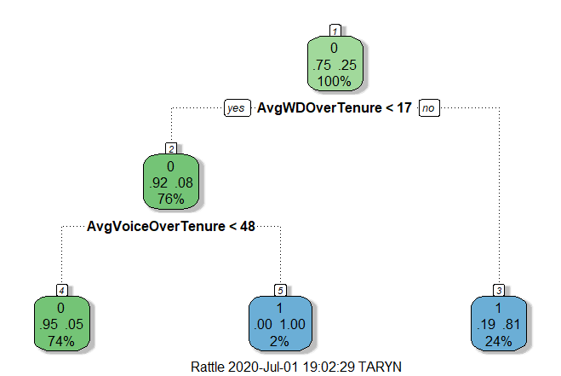
Decision Tree 3
 | fit <- rpart(MonthlyTotal_HighLow ~ AvgVoiceOverTenure + AvgWDOverTenure,
 | data=customer_data,
 | method="class",
 | #control=rpart.control(minsplit=1, cp=0)
 | )
 | fancyRpartPlot(fit)

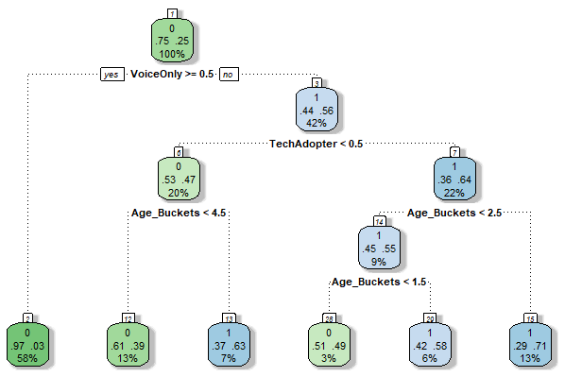
Decision Tree 4
 | fit <- rpart(MonthlyTotal_HighLow ~ TechAdopter + Age_Buckets + VoiceOnly,
 | data=customer_data,
 | method="class",
 | control=rpart.control(minsplit=2, cp=0)
 | )
 | fancyRpartPlot(fit)

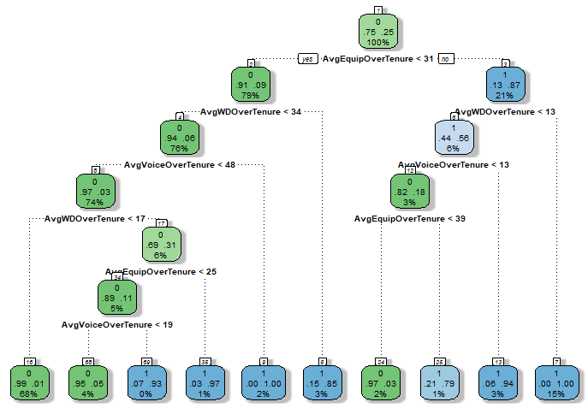
 |  | fit <- rpart(MonthlyTotal_HighLow ~ AvgVoiceOverTenure + AvgWDOverTenure + AvgEquipOverTenure,
 |  | data=customer_data,
 |  | method="class",
 |  | #control=rpart.control(minsplit=1, cp=0)
 |  | )
 |  | fancyRpartPlot(fit)

